Sales by Rep - Final
Sales by Rep for Dec 2014
Row Labels | Sum of Revenue
Nancy Freehafer | $17,137.58
Andrew Cencini | $12,368.90
Anne Larsen | $12,065.27
Michael Neipper | $10,514.50
Laura Giussani | $7,421.07
Mariya Sergienko | $6,942.86
Robert Zare | $2,814.65
Jan Kotas | $979.25
Grand Total | $70,244.08

Pivot Table Diagram
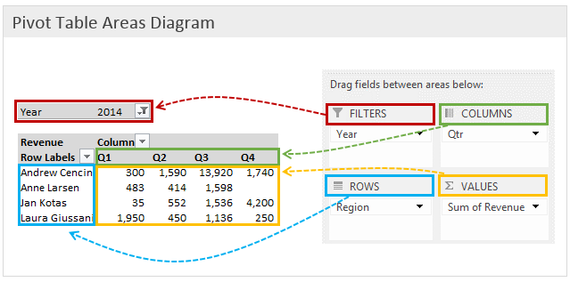

Article: | How Do Pivot Tables Work?
Source: | http://www.excelcampus.com/pivot-tables/pivot-tables-work/

